Specification
 |  |  |  |  |  |  |  |  |  |  |  |  |  | 14498
ARTICLE | IMAGE 1 | IMAGE 2 | IMAGE 3 | COLOR | COLOR DESCRIPTION | PRODUCT NAME | SUPPL. CATEGORY | COMPOSITION 1 | PARENT GROUP | GENDER | BRAND | MADE IN | RRP | QTY | 190 | 200 | 210 | 220 | 290 | 41/42 | 45/46 | 25/26 | 33/34 | 35/36 | 37/38 | 39/40 | 45/45 | 456 | 434 | 178 | 334 | 412 | 278 | 312 | 378 | 356 | 035 | 234 | 256 | 390
4132592 | 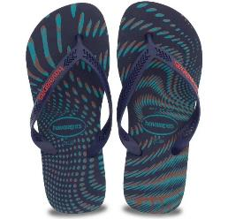 | 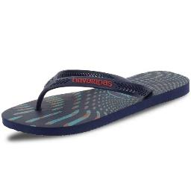 | 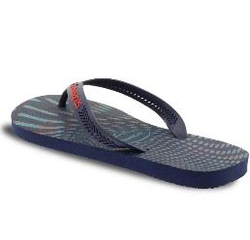 | MARINHO | MARINHO | FLIP FLOPS | HAV. AERO GRAPHIC | 100% RUBBER | ADULT | MALE | HAVAIANAS | BRAZIL | €18.00 | 4 |  |  |  |  |  |  | 4
4137126 | 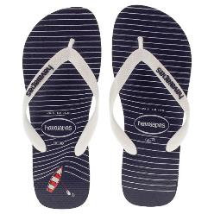 | 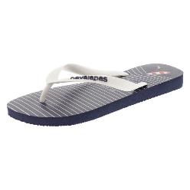 | 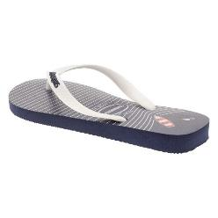 | MARINHO | MARINHO | FLIP FLOPS | HAV. TOP NAUTICAL | 100% RUBBER | ADULT | MALE | HAVAIANAS | BRAZIL | €22.00 | 4 |  |  |  |  |  |  | 4
4145602 | 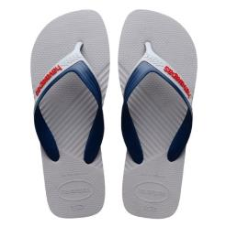 | 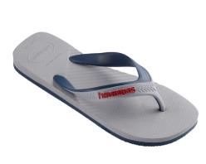 | 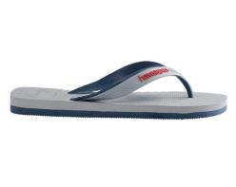 | CINZA GELO | CINZA GELO | FLIP FLOPS | HAV. DUAL | 100% PVC | ADULT | MALE | HAVAIANAS | BRAZIL | €24.00 | 1 |  |  |  |  |  |  | 1
4145602 | 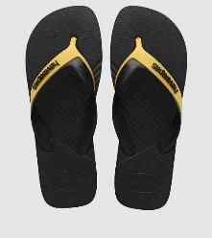 | 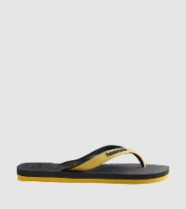 | 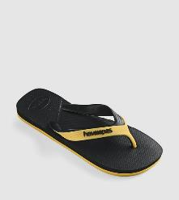 | YELLOW/BLACK | YELLOW/BLACK | FLIP FLOPS | HAV. DUAL | 100% PVC | ADULT | MALE | HAVAIANAS | BRAZIL | €24.00 | 6 |  |  |  |  |  |  |  |  |  |  |  |  | 6
4145634 | 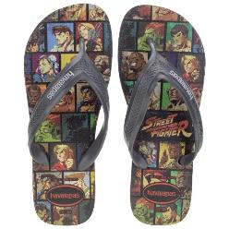 | 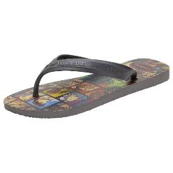 | 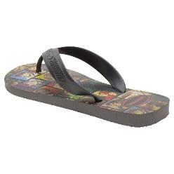 | CINZA ACO | CINZA ACO | FLIP FLOPS | HAV. NEW TOP | 100% RUBBER | ADULT | MALE | HAVAIANAS | BRAZIL | €26.00 | 2 |  |  |  |  |  |  | 2
4146920 | 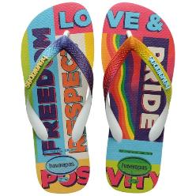 | 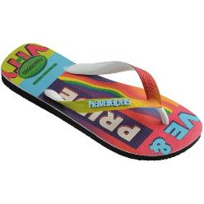 | 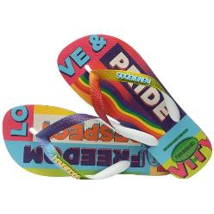 | BLACK | BLACK | FLIP FLOPS | HAV. TOP PRIDE RAINBOW BLACK | 100% PVC | ADULT | MALE | HAVAIANAS | BRAZIL | €26.00 | 4 |  |  |  |  |  |  |  |  |  |  |  | 4
4119517 | 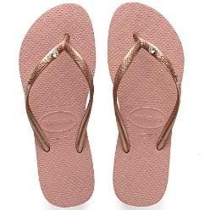 | 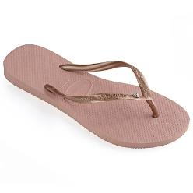 | 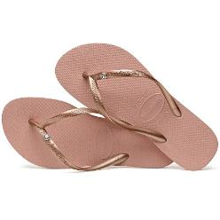 | ROSE NUDE | ROSE NUDE | FLIP FLOPS | HAV. SLIM CRYSTAL GLAMOUR SW | 100% RUBBER | ADULT | FEMALE | HAVAIANAS | BRAZIL | €34.00 | 2 |  |  |  |  |  |  |  |  |  | 2
4140185 | 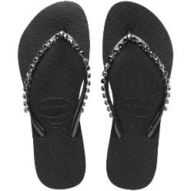 | 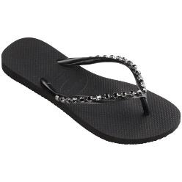 | 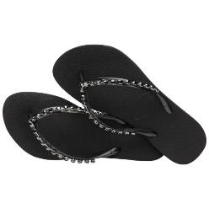 | BLACK | BLACK | FLIP FLOPS | FLIP FLOPS | 100% RUBBER | ADULT | FEMALE | HAVAIANAS | BRAZIL | €34.00 | 12 |  |  |  |  |  |  |  |  |  | 12
4144364 | 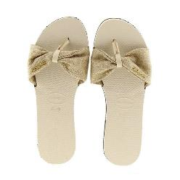 | 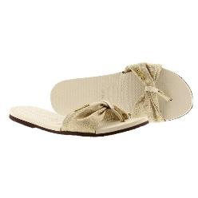 | 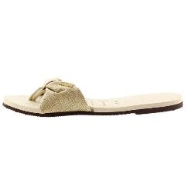 | FITA BEIGE | FITA BEIGE | FLIP FLOPS | HAV. YOU SAINT | TEXTILE | ADULT | FEMALE | HAVAIANAS | BRAZIL | €34.00 | 1 |  |  |  |  |  |  |  |  | 1
4144660 | 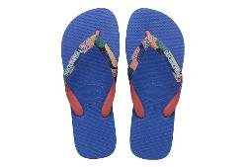 | 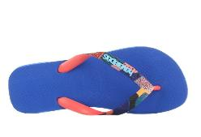 | 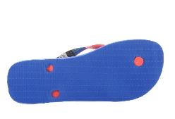 | BLU STAR | BLU STAR | FLIP FLOPS | HAV. TOP VERANO PINK FLUX | SYNTHETICS | ADULT | FEMALE | HAVAIANAS | BRAZIL | €24.00 | 12 |  |  |  |  |  |  |  |  |  | 12
4145766 | 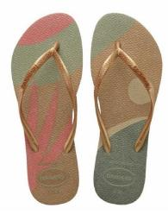 | 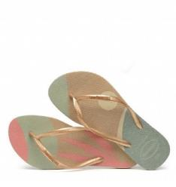 | 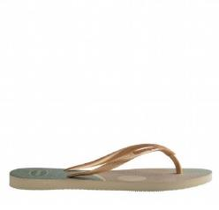 | SAND GREY/GOLDEN | SAND GREY/GOLDEN | FLIP FLOPS | HAV. SLIM PALETTE GLOW | 100% RUBBER | ADULT | FEMALE | HAVAIANAS | BRAZIL | €28.00 | 12 |  |  |  |  |  | 2 |  |  |  |  | 5 | 5
4147001 | 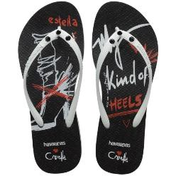 | 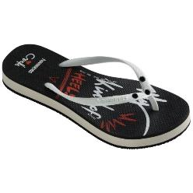 | 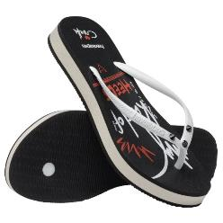 | 0090 | BLACK | FLIP FLOPS | HAV. SLIM FLATFORM CRUELLA BLACK | 100% RUBBER | ADULT | FEMALE | HAVAIANAS | BRAZIL | €28.00 | 6 |  |  |  |  |  |  |  |  |  |  |  |  |  |  |  |  |  | 2 |  |  |  | 1 |  |  |  | 3
4147325 | 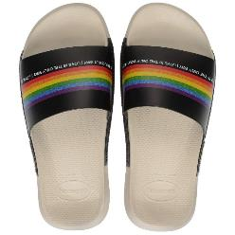 | 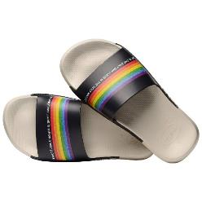 | 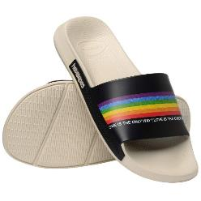 | BEIGE | BEIGE | FLIP FLOPS | FLIP FLOPS | 100% SYNTHETICS | ADULT | FEMALE | HAVAIANAS | BRAZIL | €28.80 | 1 |  |  |  |  |  |  |  |  |  |  |  | 1
4000029 | 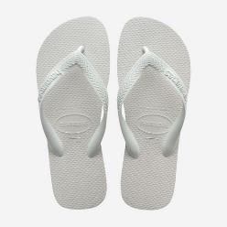 | 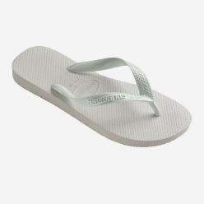 | 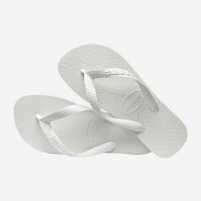 | BIANCO | BIANCO | FLIP FLOPS | HAV. TOP PURPLE | RUBBER | ADULT | UNISEX | HAVAIANAS | BRAZIL | €18.00 | 2 |  |  |  |  |  |  |  |  |  |  | 2
4123500 | 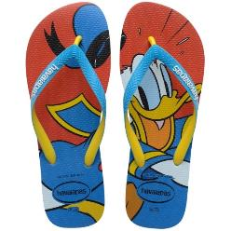 | 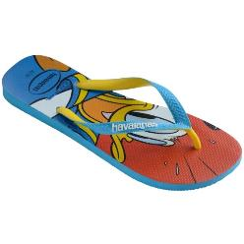 | 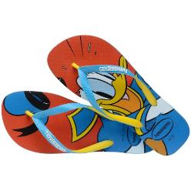 | 0212 | TURQUOISE | FLIP FLOPS | HAV. DISNEY STYLISH WHITE/CORALNEW | 100% RUBBER | ADULT | UNISEX | HAVAIANAS | BRAZIL | €26.00 | 28 |  |  |  |  |  |  |  |  |  |  |  |  |  | 1 | 4 |  | 14 | 1 |  |  | 4 | 4
4123500 | 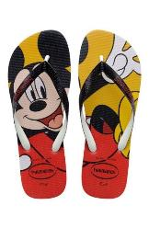 | 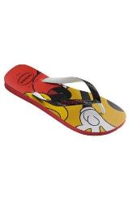 | 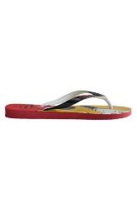 | 1440 | RED | FLIP FLOPS | HAV. DISNEY STYLISH WHITE/CORALNEW | 100% RUBBER | ADULT | UNISEX | HAVAIANAS | BRAZIL | €26.00 | 6 |  |  |  |  |  |  |  |  |  |  |  |  |  |  | 6
4123500 | 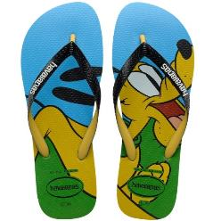 | 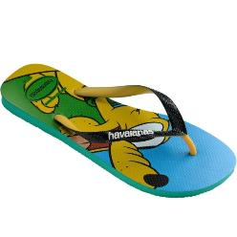 |  | 2078 | TROPICAL GREEN | FLIP FLOPS | HAV. DISNEY STYLISH WHITE/CORALNEW | 100% RUBBER | ADULT | UNISEX | HAVAIANAS | BRAZIL | €26.00 | 51 |  |  |  |  |  |  |  |  |  |  |  |  |  | 1 | 4 |  | 14 | 22 |  |  | 4 | 4 |  |  |  | 2
4123500 |  |  |  | 3745 | BEIGE/TURQUOISE | FLIP FLOPS | HAV. DISNEY STYLISH WHITE/CORALNEW | 100% RUBBER | ADULT | UNISEX | HAVAIANAS | BRAZIL | €26.00 | 14 |  |  |  |  |  |  |  |  |  |  |  |  |  | 2 | 4 |  |  | 5 |  |  |  |  |  |  |  | 3
4123500 |  |  |  | 6577 | WHITE/CORALNEW | FLIP FLOPS | HAV. DISNEY STYLISH WHITE/CORALNEW | 100% RUBBER | ADULT | UNISEX | HAVAIANAS | BRAZIL | €26.00 | 230 |  |  |  |  |  |  |  |  |  |  |  |  |  |  |  |  |  | 230
4133167 |  |  |  | 0245 | BLUE/NAVY | FLIP FLOPS | HAV. MINIONS BEIGE/TURQUOISE | 100% RUBBER | ADULT | UNISEX | HAVAIANAS | BRAZIL | €20.00 | 14 |  |  |  |  | 3 |  |  |  |  |  |  |  |  |  |  |  |  |  | 3 | 2 |  | 2 |  | 1 | 3
4133167 |  |  |  | 0776 | GOLD YELLOW | FLIP FLOPS | HAV. MINIONS BEIGE/TURQUOISE | 100% RUBBER | ADULT | UNISEX | HAVAIANAS | BRAZIL | €20.00 | 10 |  |  |  |  |  |  |  |  |  |  |  |  |  |  |  |  | 3 |  |  |  |  | 7
4133167 |  |  |  | 3455 | YELLOW CITRIC/WHITE | FLIP FLOPS | HAV. MINIONS BEIGE/TURQUOISE | 100% RUBBER | ADULT | UNISEX | HAVAIANAS | BRAZIL | €20.00 | 12 |  |  |  |  |  |  |  |  |  |  |  |  |  |  |  |  |  |  |  |  |  | 12
4137889 |  |  |  | 0776 | GOLD YELLOW | FLIP FLOPS | HAV. SIMPSONS WHITE/WHITE/BLUE STAR | 100% RUBBER | ADULT | UNISEX | HAVAIANAS | BRAZIL | €26.00 | 17 |  |  |  |  |  |  |  |  |  |  |  |  |  | 1 | 4 |  |  | 2 |  |  | 4 | 4 |  |  |  | 2
4137889 |  |  |  | 7033 | WHITE/TURQUOISE/WHITE | FLIP FLOPS | HAV. SIMPSONS WHITE/WHITE/BLUE STAR | 100% RUBBER | ADULT | UNISEX | HAVAIANAS | BRAZIL | €26.00 | 82 |  |  |  |  |  |  |  |  |  |  |  |  |  | 1 | 4 |  |  | 1 |  |  | 46 | 28 |  |  |  | 2
4137889 |  |  |  | 7903 | WHITE/WHITE/BLUE STAR | FLIP FLOPS | HAV. SIMPSONS WHITE/WHITE/BLUE STAR | 100% RUBBER | ADULT | UNISEX | HAVAIANAS | BRAZIL | €26.00 | 12 |  |  |  |  |  |  |  |  |  |  |  |  |  | 1 | 5 |  |  | 5 |  |  |  |  |  |  |  | 1
4139412 |  |  |  | 0057 | BLUE | FLIP FLOPS | HAV. TOP DISNEY GREEN DEW | 100% RUBBER | ADULT | UNISEX | HAVAIANAS | BRAZIL | €24.00 | 12 |  |  |  |  |  |  |  |  |  |  |  |  |  | 1 | 5 |  |  | 5 |  |  |  |  |  |  |  | 1
4139412 |  |  |  | 7600 | PINK PORCELAIN | FLIP FLOPS | HAV. TOP DISNEY GREEN DEW | 100% RUBBER | ADULT | UNISEX | HAVAIANAS | BRAZIL | €24.00 | 41 |  |  |  |  |  |  |  |  |  |  |  |  |  |  |  |  |  | 29 |  |  |  |  |  |  |  | 12
4139412 |  |  |  | 7611 | GREEN DEW | FLIP FLOPS | HAV. TOP DISNEY GREEN DEW | 100% RUBBER | ADULT | UNISEX | HAVAIANAS | BRAZIL | €24.00 | 272 |  |  |  |  |  |  |  |  |  |  |  |  |  |  |  |  |  | 272
4139511 |  |  |  | 0306 | NAVY/NAVY/WHITE | FLIP FLOPS | HAV. TOP MARVEL NAVY BLUE/NAVY BLUE | 100% RUBBER | ADULT | UNISEX | HAVAIANAS | BRAZIL | €26.00 | 23 |  |  |  |  |  |  |  |  |  |  |  |  |  | 1 | 6 |  |  | 1 |  |  | 2 |  |  | 13
4139511 |  |  |  | 1069 | BLACK/BLACK | FLIP FLOPS | HAV. TOP MARVEL NAVY BLUE/NAVY BLUE | 100% RUBBER | ADULT | UNISEX | HAVAIANAS | BRAZIL | €26.00 | 813 |  |  |  |  |  |  |  |  |  |  |  |  |  | 8 | 361 |  |  | 436 |  |  |  |  |  |  |  | 8
4139511 |  |  |  | 2090 | RUBY RED | FLIP FLOPS | HAV. TOP MARVEL NAVY BLUE/NAVY BLUE | 100% RUBBER | ADULT | UNISEX | HAVAIANAS | BRAZIL | €26.00 | 7 |  |  |  |  |  |  |  |  |  |  |  |  |  |  |  |  |  |  |  |  |  | 7
4139511 |  |  |  | 4368 | NAVY BLUE/NAVY BLUE | FLIP FLOPS | HAV. TOP MARVEL NAVY BLUE/NAVY BLUE | 100% RUBBER | ADULT | UNISEX | HAVAIANAS | BRAZIL | €26.00 | 74 |  |  |  |  |  |  |  |  |  |  |  |  |  |  | 26 |  |  | 29 |  |  |  |  |  |  |  | 19
4140688 |  |  |  | MARINHO | MARINHO | FLIP FLOPS | HAV. URBAN SPECIAL | 100% RUBBER | ADULT | UNISEX | HAVAIANAS | BRAZIL | €45.00 | 2 |  |  |  |  |  |  | 2
4140688 |  |  |  | PRETO | PRETO | FLIP FLOPS | HAV. URBAN SPECIAL | 100% RUBBER | ADULT | UNISEX | HAVAIANAS | BRAZIL | €45.00 | 1 |  |  |  |  |  |  | 1
4141203 |  |  |  | 7598 | LEMON YELLOW | FLIP FLOPS | HAV. SLIM DISNEY LEMON YELLOW | SYNTHETICS | ADULT | UNISEX | HAVAIANAS | BRAZIL | €26.00 | 60 |  |  |  |  | 3 |  |  |  |  |  |  |  |  |  |  |  | 19 |  | 2 | 3 | 19 | 12 |  |  |  | 2
4123463 |  |  |  | BLU STAR | BLU STAR | FLIP FLOPS | HAV. KIDS CARS | RUBBER | KIDS | MALE | HAVAIANAS | BRAZIL | €20.00 | 1 |  |  |  |  |  |  |  |  | 1
4129697 |  |  |  | NAVY BLUE/SILVER | NAVY BLUE/SILVER | FLIP FLOPS | HAV. LUNA | 100% RUBBER | KIDS | FEMALE | HAVAIANAS | BRAZIL | €22.00 | 6 |  |  |  |  |  |  |  |  |  |  |  | 6
4130287 |  |  |  | 0090 | BLACK | FLIP FLOPS | HAV. KIDS DISNEY COOL WHITE/PINK FLUX | 100% RUBBER | KIDS | FEMALE | HAVAIANAS | BRAZIL | €18.00 | 1672 |  |  |  |  | 617 |  |  |  |  |  |  |  |  |  |  |  | 18 |  | 666 | 349 |  | 6 |  | 4 | 12
4130287 |  |  |  | 0776 | GOLD YELLOW | FLIP FLOPS | HAV. KIDS DISNEY COOL WHITE/PINK FLUX | 100% RUBBER | KIDS | FEMALE | HAVAIANAS | BRAZIL | €18.00 | 12 |  |  |  |  | 3 |  |  |  |  |  |  |  |  |  |  |  | 3 |  | 2 | 3 |  | 1
4130287 |  |  |  | 2108 | ROSE QUARTZ | FLIP FLOPS | HAV. KIDS DISNEY COOL WHITE/PINK FLUX | 100% RUBBER | KIDS | FEMALE | HAVAIANAS | BRAZIL | €18.00 | 1 |  |  |  |  |  |  |  |  |  |  |  |  |  |  |  |  | 1
4130287 |  |  |  | 7026 | WHITE/PINK FLUX | FLIP FLOPS | HAV. KIDS DISNEY COOL WHITE/PINK FLUX | 100% RUBBER | KIDS | FEMALE | HAVAIANAS | BRAZIL | €18.00 | 12 |  |  |  |  | 3 |  |  |  |  |  |  |  |  |  |  |  | 3 |  | 2 | 3 |  | 1
4137266 |  |  |  | 1049 | WHITE/GREEN | FLIP FLOPS | HAV. KIDS SLIM FROZEN QUIET LILAC | RUBBER | KIDS | FEMALE | HAVAIANAS | BRAZIL | €20.00 | 1 |  |  |  |  |  |  |  |  |  |  |  |  |  |  |  |  |  |  |  |  |  | 1
4146097 |  |  |  | BIANCO/ROSA | BIANCO/ROSA | FLIP FLOPS | HAV. SLIM GRADIENT | 100% RUBBER | KIDS | FEMALE | HAVAIANAS | BRAZIL | €29.00 | 4 |  |  |  |  |  |  |  |  |  | 4
4146097 |  |  |  | WHITE/FLUORESCENT | WHITE/FLUORESCENT | FLIP FLOPS | HAV. SLIM GRADIENT | 100% RUBBER | KIDS | FEMALE | HAVAIANAS | BRAZIL | €29.00 | 2 |  |  |  |  |  |  |  |  |  | 2
4123328 |  |  |  | 7818 | CREAM ROSE/LOLLIPOP | FLIP FLOPS | HAV. KIDS SLIM PRINCESS WHITE/COTTON CANDY | 100% RUBBER | KIDS | FEMALE | HAVAIANAS | BRAZIL | €20.00 | 31 |  |  |  |  |  |  |  |  |  |  |  |  |  |  |  |  |  |  |  |  |  |  |  |  | 31
4123328 |  |  |  | 7819 | WHITE/COTTON CANDY | FLIP FLOPS | HAV. KIDS SLIM PRINCESS WHITE/COTTON CANDY | 100% RUBBER | KIDS | FEMALE | HAVAIANAS | BRAZIL | €20.00 | 32 |  |  |  |  | 18 |  |  |  |  |  |  |  |  |  |  |  |  |  |  | 14
4137266 |  |  |  | 4376 | WHITE/SNOWFLAKES | FLIP FLOPS | HAV. KIDS SLIM FROZEN QUIET LILAC | RUBBER | KIDS | FEMALE | HAVAIANAS | BRAZIL | €20.00 | 3 |  |  |  |  | 2 |  |  |  |  |  |  |  |  |  |  |  |  |  | 1
4137266 |  |  |  | 5251 | LILAC | FLIP FLOPS | HAV. KIDS SLIM FROZEN QUIET LILAC | RUBBER | KIDS | FEMALE | HAVAIANAS | BRAZIL | €20.00 | 8 |  |  |  |  |  |  |  |  |  |  |  |  |  |  |  |  |  |  |  |  |  |  |  | 8
4140452 |  |  |  | 1652 | BANANA YELLOW | FLIP FLOPS | HAV. KIDS SLIM SUMMER BANANA YELLOW | RUBBER | KIDS | FEMALE | HAVAIANAS | BRAZIL | €20.00 | 3 |  |  |  |  |  |  |  |  |  |  |  |  |  |  |  |  |  |  |  |  |  |  |  |  | 3
4145245 |  |  |  | 3498 | ICE GREY | FLIP FLOPS | HAV. KIDS SLIM SHINY ICE GREY | SYNTHETICS | KIDS | FEMALE | HAVAIANAS | BRAZIL | €22.00 | 8187 |  |  |  |  | 2573 |  |  |  |  |  |  |  |  |  |  |  |  |  | 1766 | 1172 |  |  |  | 513 | 2163
4137007 |  |  |  | 0031 | BLUE | FLIP FLOPS | HAV. BABY DISNEY CLASSICS | RUBBER | KIDS | UNISEX | HAVAIANAS | BRAZIL | €18.00 | 2 |  |  |  | 2
4137007 |  |  |  | 0121 | BEIGE | FLIP FLOPS | HAV. BABY DISNEY CLASSICS | RUBBER | KIDS | UNISEX | HAVAIANAS | BRAZIL | €18.00 | 1 |  |  | 1
4137007 |  |  |  | 1141 | CRYSTAL ROSE | FLIP FLOPS | HAV. BABY DISNEY CLASSICS | RUBBER | KIDS | UNISEX | HAVAIANAS | BRAZIL | €18.00 | 7 | 7
4137007 |  |  |  | 5784 | PINK FLUX | FLIP FLOPS | HAV. BABY DISNEY CLASSICS | RUBBER | KIDS | UNISEX | HAVAIANAS | BRAZIL | €18.00 | 11 |  |  |  | 1 |  |  |  |  |  |  |  |  |  |  |  |  |  |  |  |  |  |  |  |  | 10
4137007 |  |  |  | 7598 | LEMON YELLOW | FLIP FLOPS | HAV. BABY DISNEY CLASSICS | RUBBER | KIDS | UNISEX | HAVAIANAS | BRAZIL | €18.00 | 12 |  | 10 |  |  |  |  |  |  |  |  |  |  |  |  |  | 2
4137007 |  |  |  | GREEN DEW | GREEN DEW | FLIP FLOPS | HAV. BABY DISNEY CLASSICS | RUBBER | KIDS | UNISEX | HAVAIANAS | BRAZIL | €18.00 | 8 |  |  |  |  |  |  |  | 8
4137067 |  |  |  | 0031 | BLUE | FLIP FLOPS | HAV. BABY CHIC II BEIGE/BLACK | RUBBER | KIDS | UNISEX | HAVAIANAS | BRAZIL | €16.00 | 511 |  |  | 246 | 265
4137067 |  |  |  | 0052 | WHITE/NAVY BLUE | FLIP FLOPS | HAV. BABY CHIC II BEIGE/BLACK | RUBBER | KIDS | UNISEX | HAVAIANAS | BRAZIL | €16.00 | 459 | 53 | 95 | 72 | 171 |  |  |  |  |  |  |  |  |  |  |  | 68
4137067 |  |  |  | 9446 | CAMU BEIGE/BLACK | FLIP FLOPS | HAV. BABY CHIC II BEIGE/BLACK | RUBBER | KIDS | UNISEX | HAVAIANAS | BRAZIL | €16.00 | 4 | 1 | 1 | 1 |  |  |  |  |  |  |  |  |  |  |  |  | 1
4139475 |  |  |  | 0090 | BLACK | FLIP FLOPS | HAV. BABY HEROIS TURQUOISE/STRAWBERRY | RUBBER | KIDS | UNISEX | HAVAIANAS | BRAZIL | €18.00 | 1 | 1
4139475 |  |  |  | 7151 | TURQUOISE/STRAWBERRY | FLIP FLOPS | HAV. BABY HEROIS TURQUOISE/STRAWBERRY | RUBBER | KIDS | UNISEX | HAVAIANAS | BRAZIL | €18.00 | 3 |  |  |  | 3
4140577 |  |  |  | 0064 | HOLLYWOOD ROSE | FLIP FLOPS | HAV. BABY BRASIL LOGO II GALACTIC GREEN | RUBBER | KIDS | UNISEX | HAVAIANAS | BRAZIL | €18.00 | 5 |  |  |  | 5
4140577 |  |  |  | 0078 | BRASIL LOGO II GREEN BAMBOO | FLIP FLOPS | HAV. BABY BRASIL LOGO II GALACTIC GREEN | RUBBER | KIDS | UNISEX | HAVAIANAS | BRAZIL | €18.00 | 1 |  |  |  | 1
4140577 |  |  |  | 0212 | TURQUOISE | FLIP FLOPS | HAV. BABY BRASIL LOGO II GALACTIC GREEN | RUBBER | KIDS | UNISEX | HAVAIANAS | BRAZIL | €18.00 | 4 | 1 | 1 | 1 | 1
4140577 |  |  |  | 0579 | FLAMINGO | FLIP FLOPS | HAV. BABY BRASIL LOGO II GALACTIC GREEN | RUBBER | KIDS | UNISEX | HAVAIANAS | BRAZIL | €18.00 | 4 |  | 1 | 1 | 1 |  |  |  |  |  |  |  |  |  |  |  | 1
4140577 |  |  |  | 1404 | HYDRO GREEN | FLIP FLOPS | HAV. BABY BRASIL LOGO II GALACTIC GREEN | RUBBER | KIDS | UNISEX | HAVAIANAS | BRAZIL | €18.00 | 2 |  |  |  |  |  |  |  |  |  |  |  |  |  |  |  | 2
4140577 |  |  |  | 1652 | BANANA YELLOW | FLIP FLOPS | HAV. BABY BRASIL LOGO II GALACTIC GREEN | RUBBER | KIDS | UNISEX | HAVAIANAS | BRAZIL | €18.00 | 64 |  | 32 | 11 |  |  |  |  |  |  |  |  |  |  |  |  | 21
...

